OEMs D2C (Toyota)
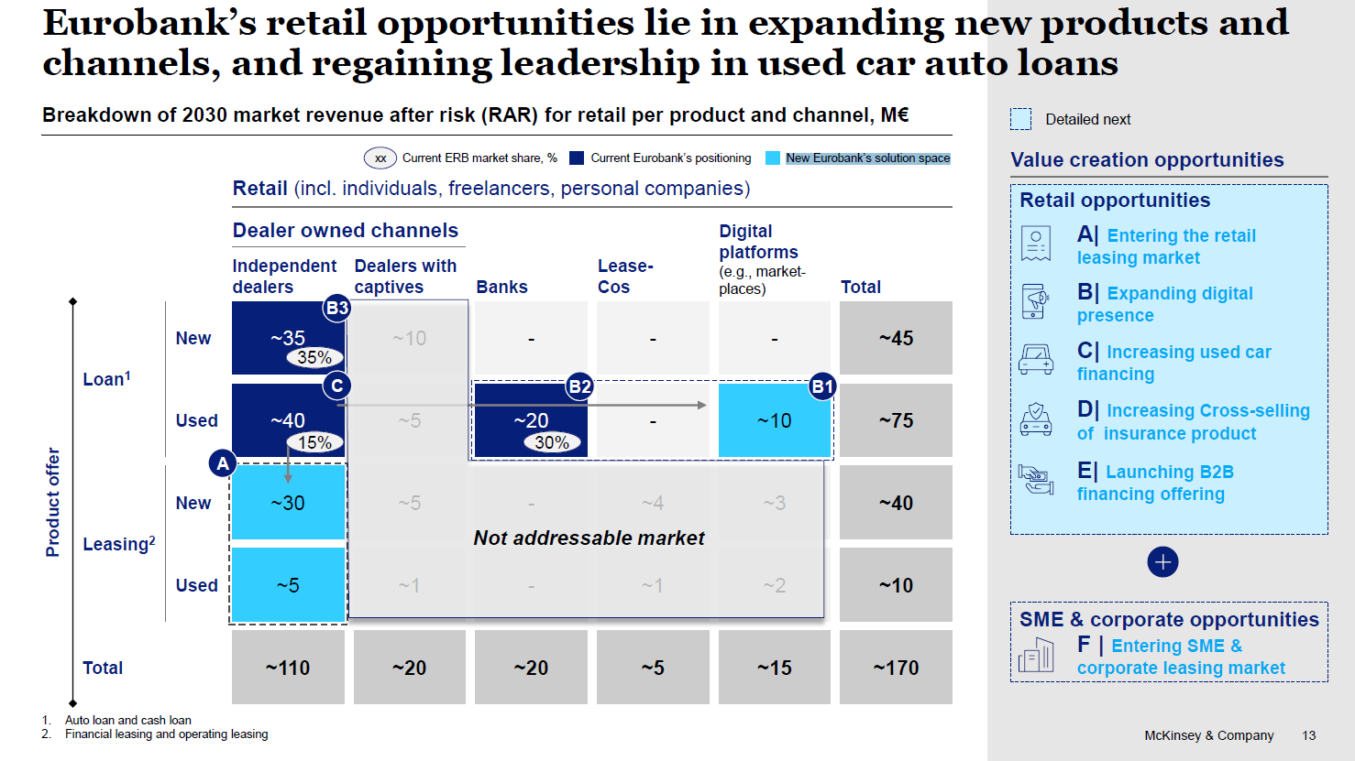
Toyota | 2030 | 2030 | Growth(%)

Independent dealers RAR | 75 | 75 | 0%

Toyota MS | 18% | 20% | 11%

Toyota RAR | 13.5 | 15.0 | 11%

ERB MS on Toyota | 10% | 15% | 50%

ERB RAR | 1.4 | 2.3 | 67%

 |  | 1.4226422956
 |  | 1423

